Sheet1
ResNet 구현 및 성능 비교
변수들 |  |  |  |  |  |  |  |  |  | 성능 비교
epoch | batchsize | lr | lr_scheduler | weight_decay | data_augmentation 추가 | 구조변경(default=Resnet18) | 구조 내 drop out추가 | mixup | labeing smoothing | test_acc | test_loss | plot
200 | 128 | 0.1 | ReduceLROnPlateau (optimizer, 'min', patience=5) | 0.0002 | x | x (Resnet18) | x | x | x | 93.56% | 0.002 | 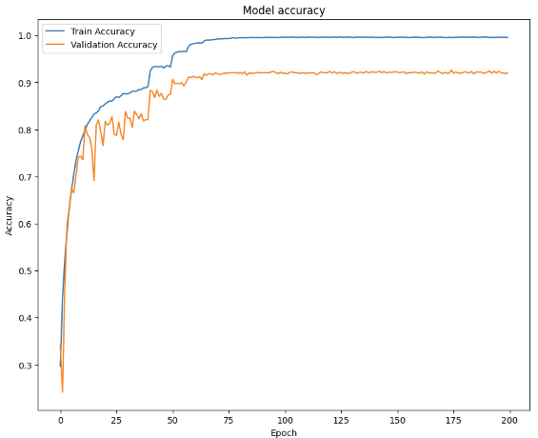 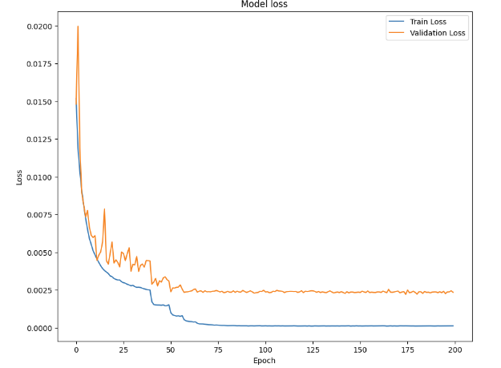
200 | 128 | 0.1 | ReduceLROnPlateau (optimizer,mode='min',patience=5,factor=0.5,min_lr=1e-6,verbose=True) | 0.0002 | o | x (Resnet18) | x | o | o | 93.75% | 0.006 | 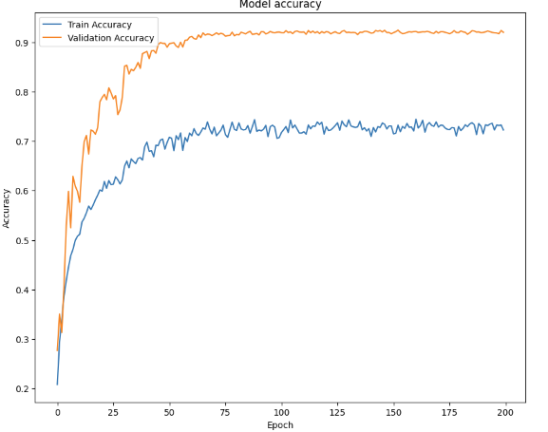 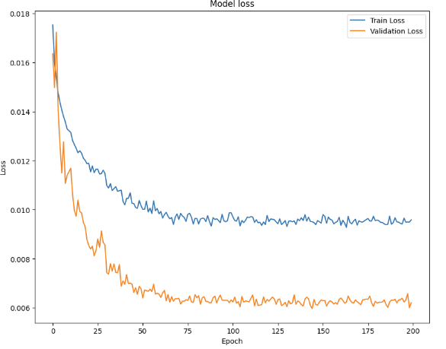
200 | 128 | 0.1 | ReduceLROnPlateau (optimizer,mode='min',patience=5,factor=0.5,min_lr=1e-6,verbose=True) | 5.00E-04 | o | x (Resnet18) | x | o | o | 94.18% (Max) | 0.006 | 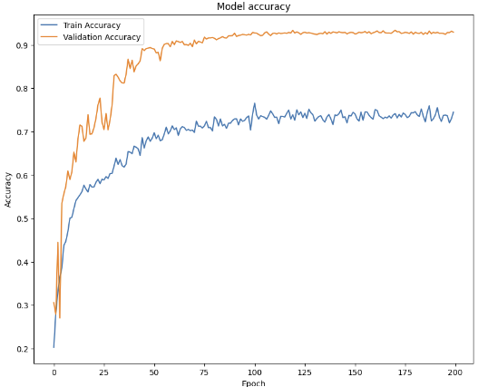 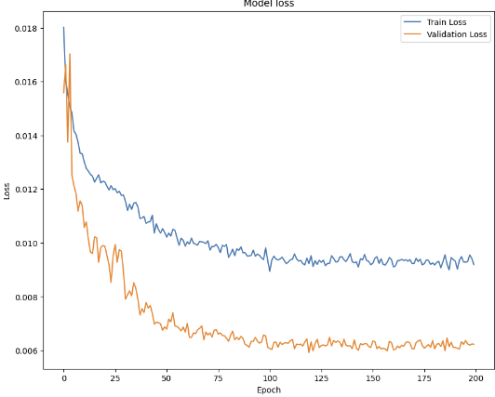
200 | 128 | 0.1 | ReduceLROnPlateau (optimizer,mode='min',patience=5,factor=0.5,min_lr=1e-6,verbose=True) | 0.0002 | o | x (Resnet18) | o | o | o | 92.16% | 0.006 | 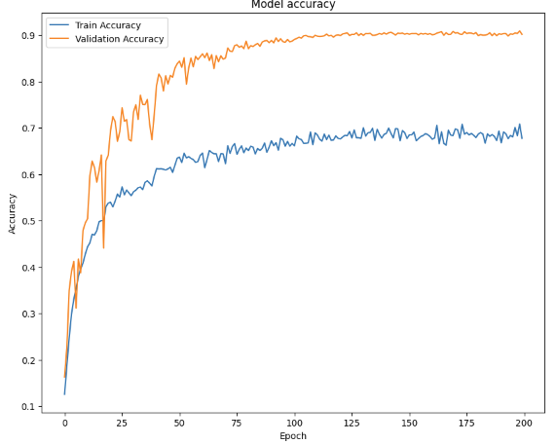 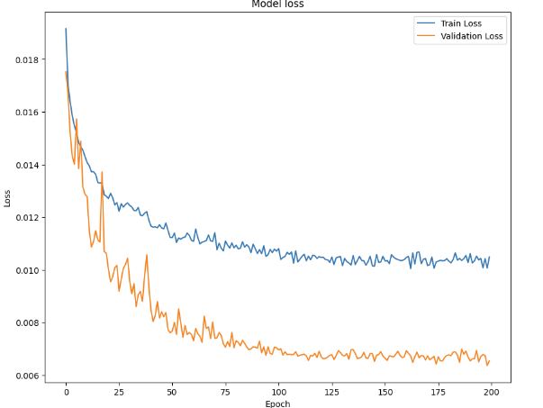
200 | 128 | 0.1 | ReduceLROnPlateau (optimizer, 'min', patience=5) | 0.0002 | x | x (Resnet18) | x | o | o | 93.56% | 0.006 | 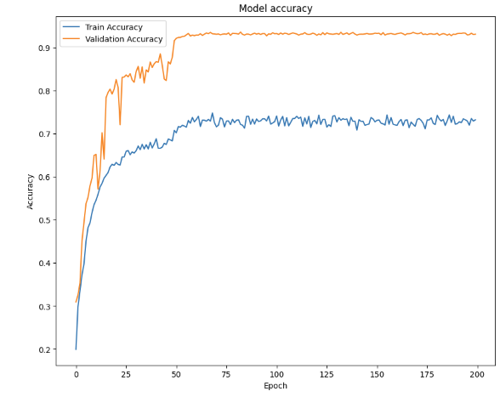 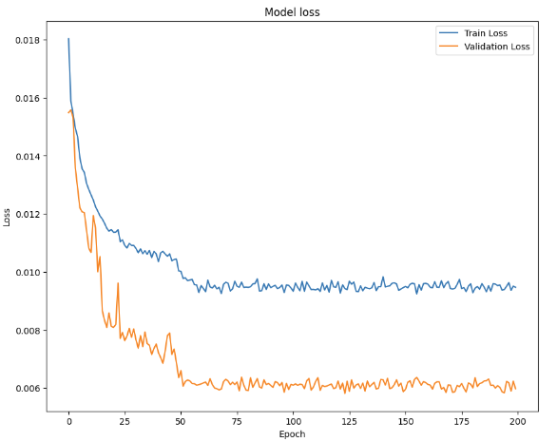
200 | 128 | 0.1 | StepLR (optimizer, step_size=20, gamma=0.5) | 0.0002 | x | x (Resnet18) | x | o | o | 87.28% | 0.007 | 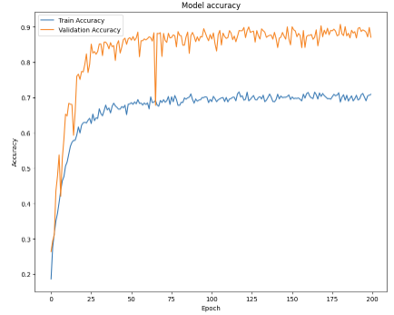 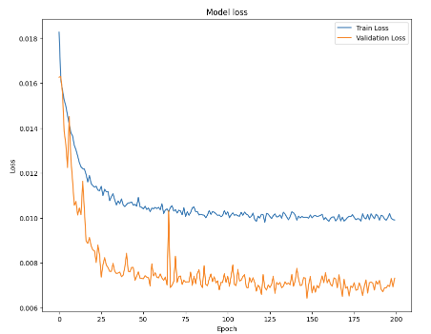
200 | 128 | 0.1 | CosineAnnealingLR (optimizer, T_max=200, eta_min=0) | 0.0002 | x | x (Resnet18) | x | o | o | 90.00% | 0.007 | 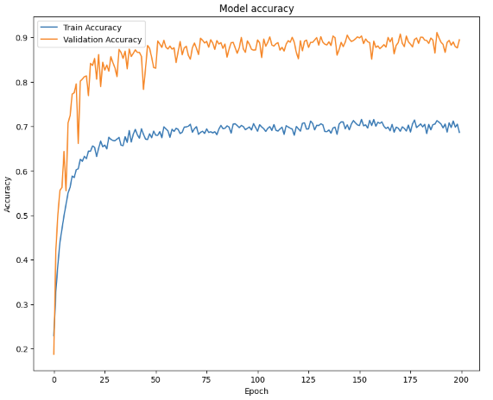 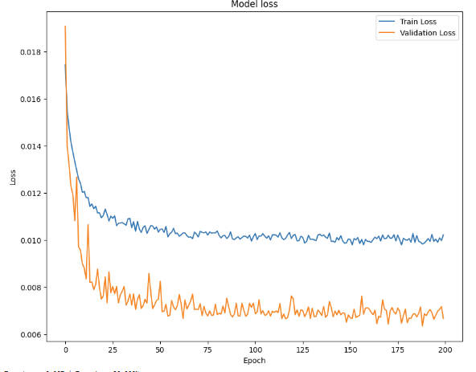
200 | 128 | 0.1 | ReduceLROnPlateau (optimizer,mode='min',patience=5,factor=0.5,min_lr=1e-6,verbose=True) | 0.0002 | o | o (Resnet20) | x | o | o | 90.84% | 0.007 | 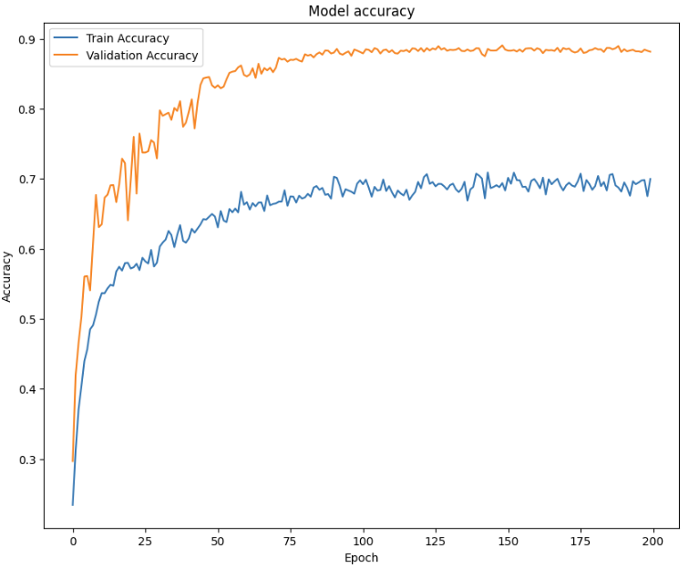 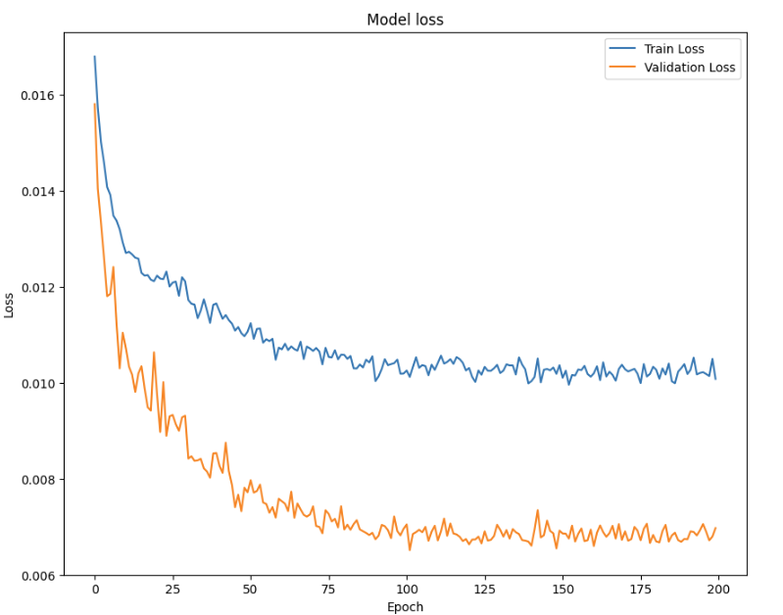
200 | 128 | 0.1 | LambdaLR LambdaLR(optimizer, lr_lambda = lambda epoch: 0.95 ** epoch) | 0.0002 | o | x (Resnet18) | x | o | o | 85.98% | 0.007 | 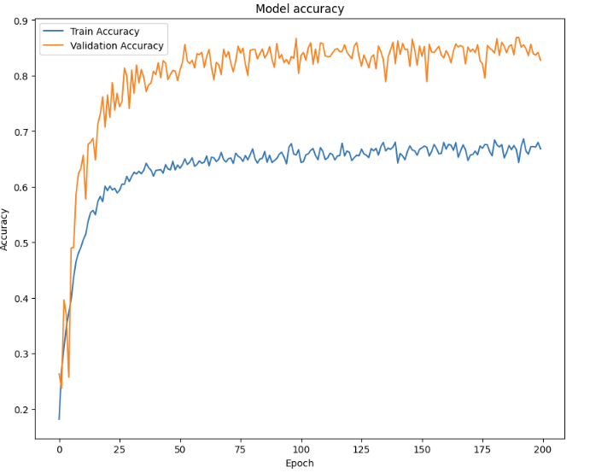 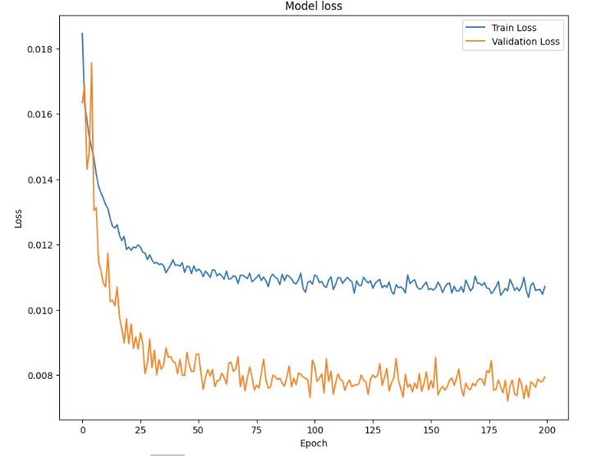
200 | 128 | 0.1 | ReduceLROnPlateau (optimizer, 'min', patience=5) | 0.0002 | o | o (Resnet50+early stopping) | x | o | o | 77.49% | 0.009 | 